Donald
Date | Task | Hours | Description | Image
2024-07-30 | Landing Page Design | 2 | Created Layouts for the Landing Page http://wp.donaldobi.site/couture-closet/
2024-07-30 | Product Page Design | 2 | Created Layout for the Product Page http://wp.donaldobi.site/couture-closet/ | 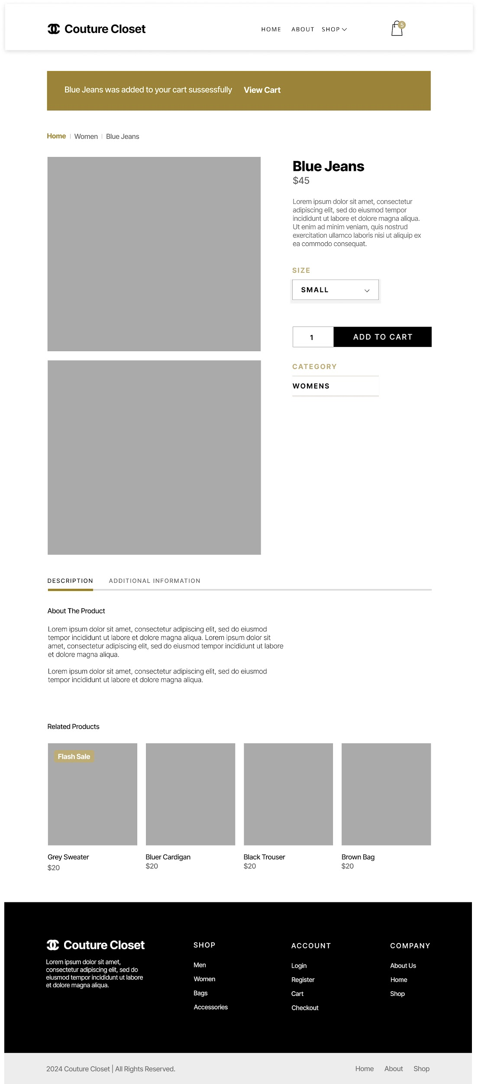
2024-07-31 | Shop Page Design | 2 | Created Layout for the Listings/Shop Page http://wp.donaldobi.site/couture-closet/ | 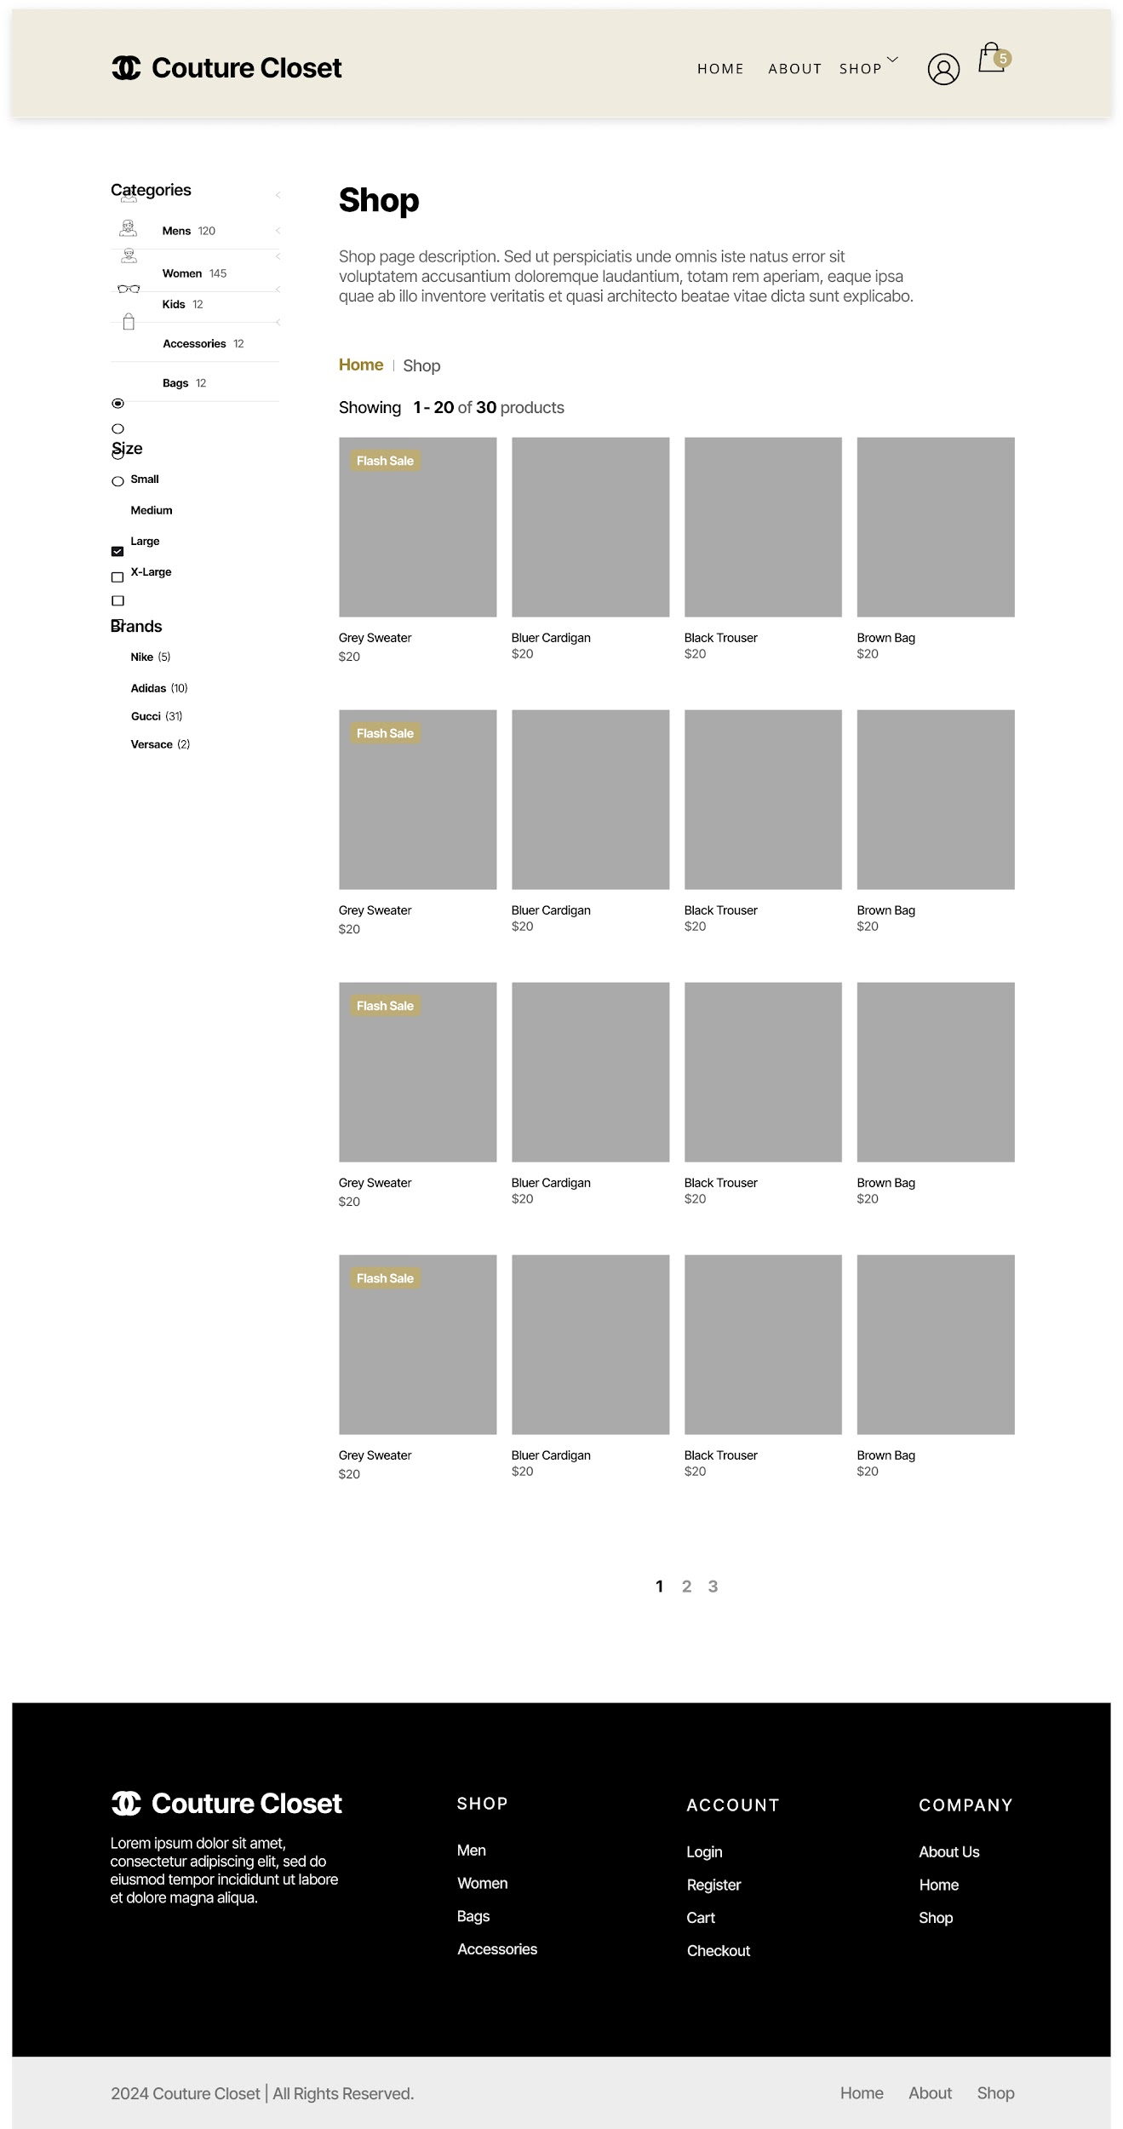
2024-07-31 | Shop List View Images | 1.5 | Figma Updated Shop layout with required stock images. Images to be used to seed products. http://wp.donaldobi.site/couture-closet/ Store Images https://drive.google.com/drive/folders/1crVcmVZl86G21aQcbTjdRnJwddeNZrdK?usp=sharing Page Sample https://drive.google.com/file/d/1a7AXRVmIucoXXESDTTyIEGtcI7LNhqKG/view?usp=sharing
2024-07-31 | Home Page Images | 1 | Figma Updated Landing page slide image and category images - to be used in markup. http://wp.donaldobi.site/couture-closet Page Sample https://drive.google.com/file/d/1-nhw-MR16--B0rE9ub3u82rnxWdla4R8/view?usp=sharing
2024-07-31 | Product Page Images | 0.5 | Updated product detail view with sample images. Page Sample https://drive.google.com/file/d/1EABvu3w9epcoCuIkrMSMq8mN2PbhaYv3/view?usp=sharing | 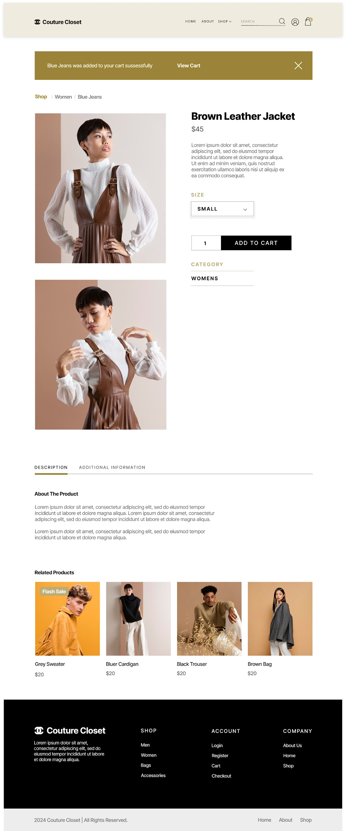
2024-08-01 | Checkout page design | 1 | Created Checkout Page Layout Image https://drive.google.com/file/d/1EJsewf0lFJrAl5MKSDHOgN5f4xmknA1J/view?usp=drive_link | 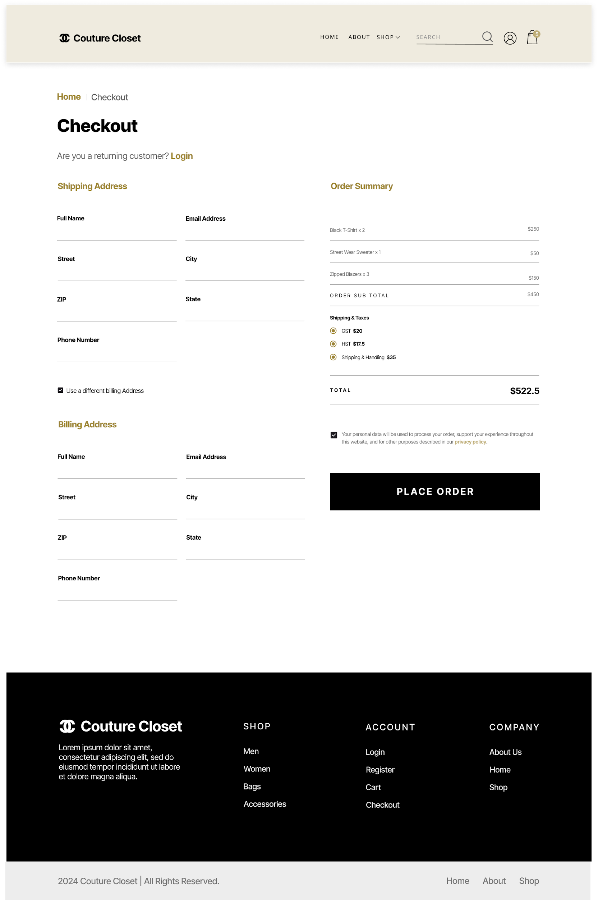
2024-08-01 | Cart Page design | 1 | Created Cart Page Layout Image https://drive.google.com/file/d/10PSBbzCbTdn6R3alv7jLBc4in4b4a69r/view?usp=drive_link | 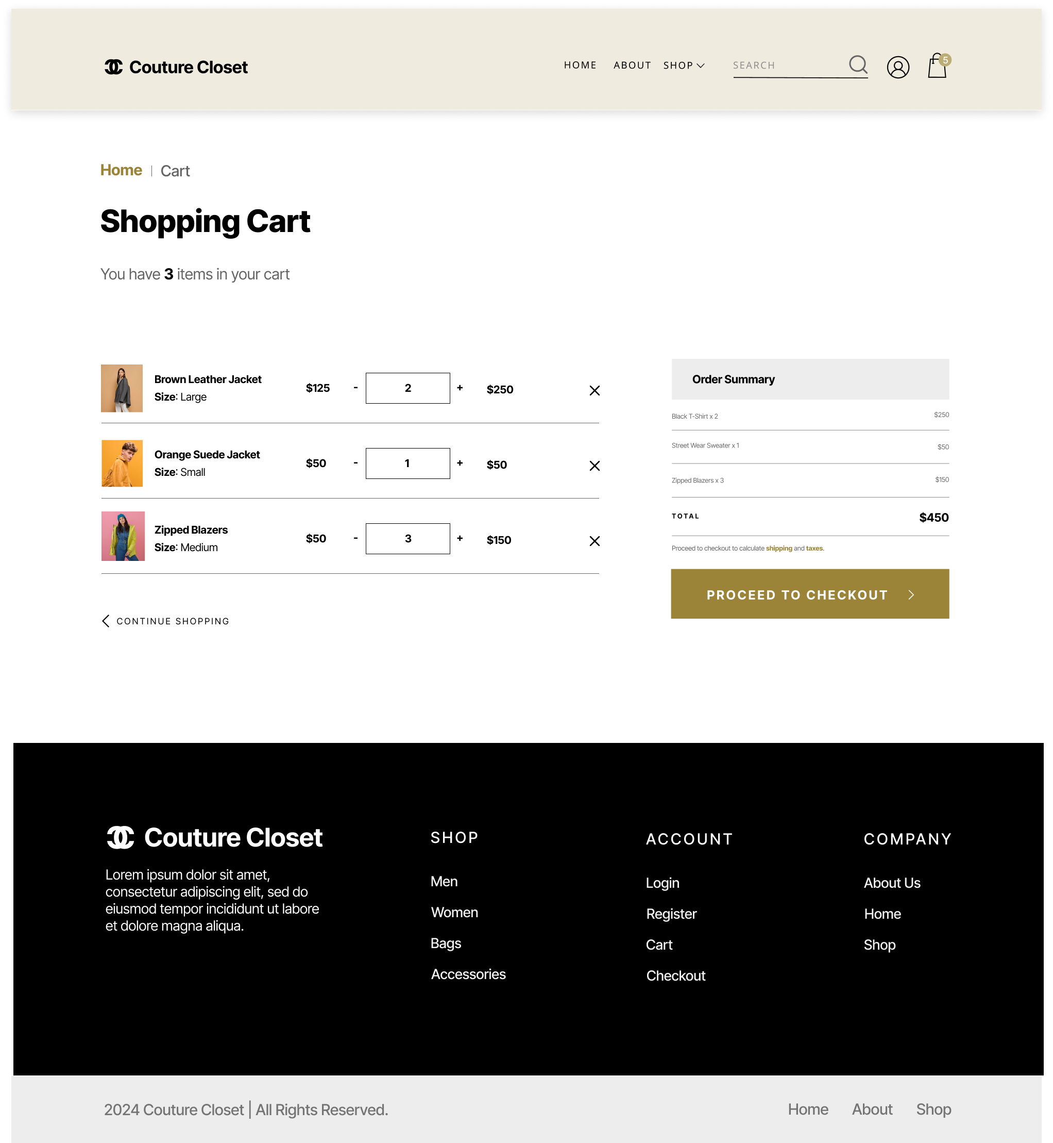
2024-08-01 | Order confirmed page design | 1 | Created Order Confirmed Page Layout Image https://drive.google.com/file/d/14u4F43mzDseX992WzV0qemittFHqcPAj/view?usp=sharing | 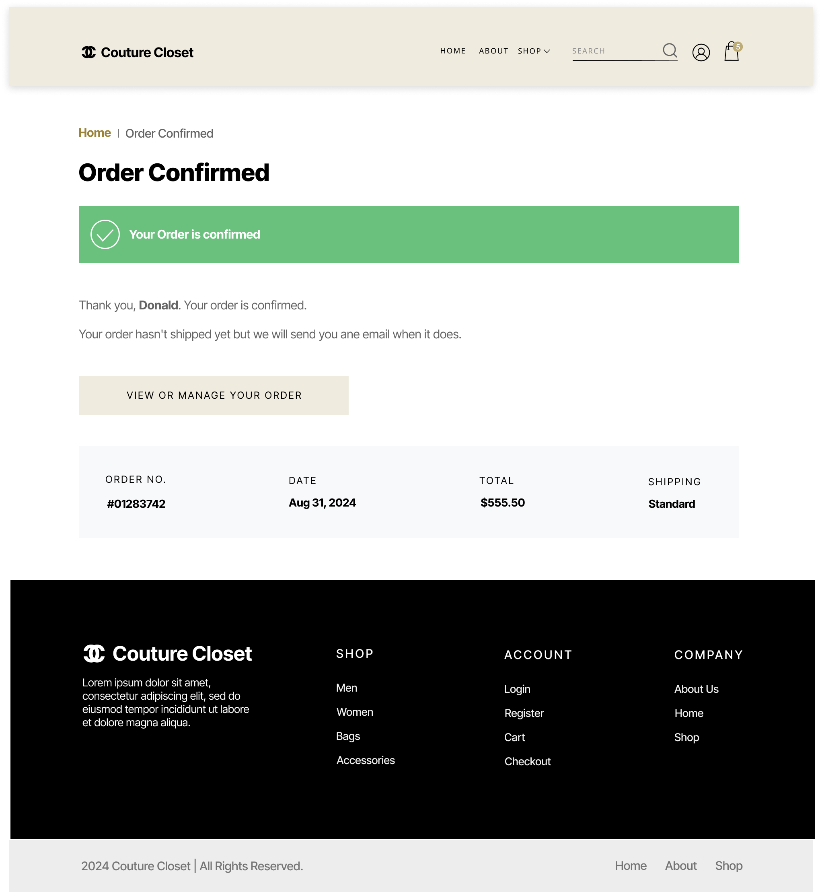
2024-08-01 | Updated Proposal | 0.75 | Updated Proposal MD & Doc. with design section details | -
2024-08-02 | Checkout Blade | 1.5 | Create checkout.blade.php HTML/CSS PHP template
2024-08-02 | Cart Blade | 1.5 | Create cart.blade.php HTML/CSS PHP template
2024-08-06 | Admin Dashboard | 5 | Created Admin User Dashboard Stats Area, (HTML,CSS, & JS chart) Profile Menu Sidebar/Menus Top-sellers Table Orders Table Footer Section couture-closet\admin pages\
2024-08-07 | Admin CRUD Template | 4 | Created CRUD Template Page: With Table Search, List View (with Edit, Update & Delete), and a sample Create/Update Form | 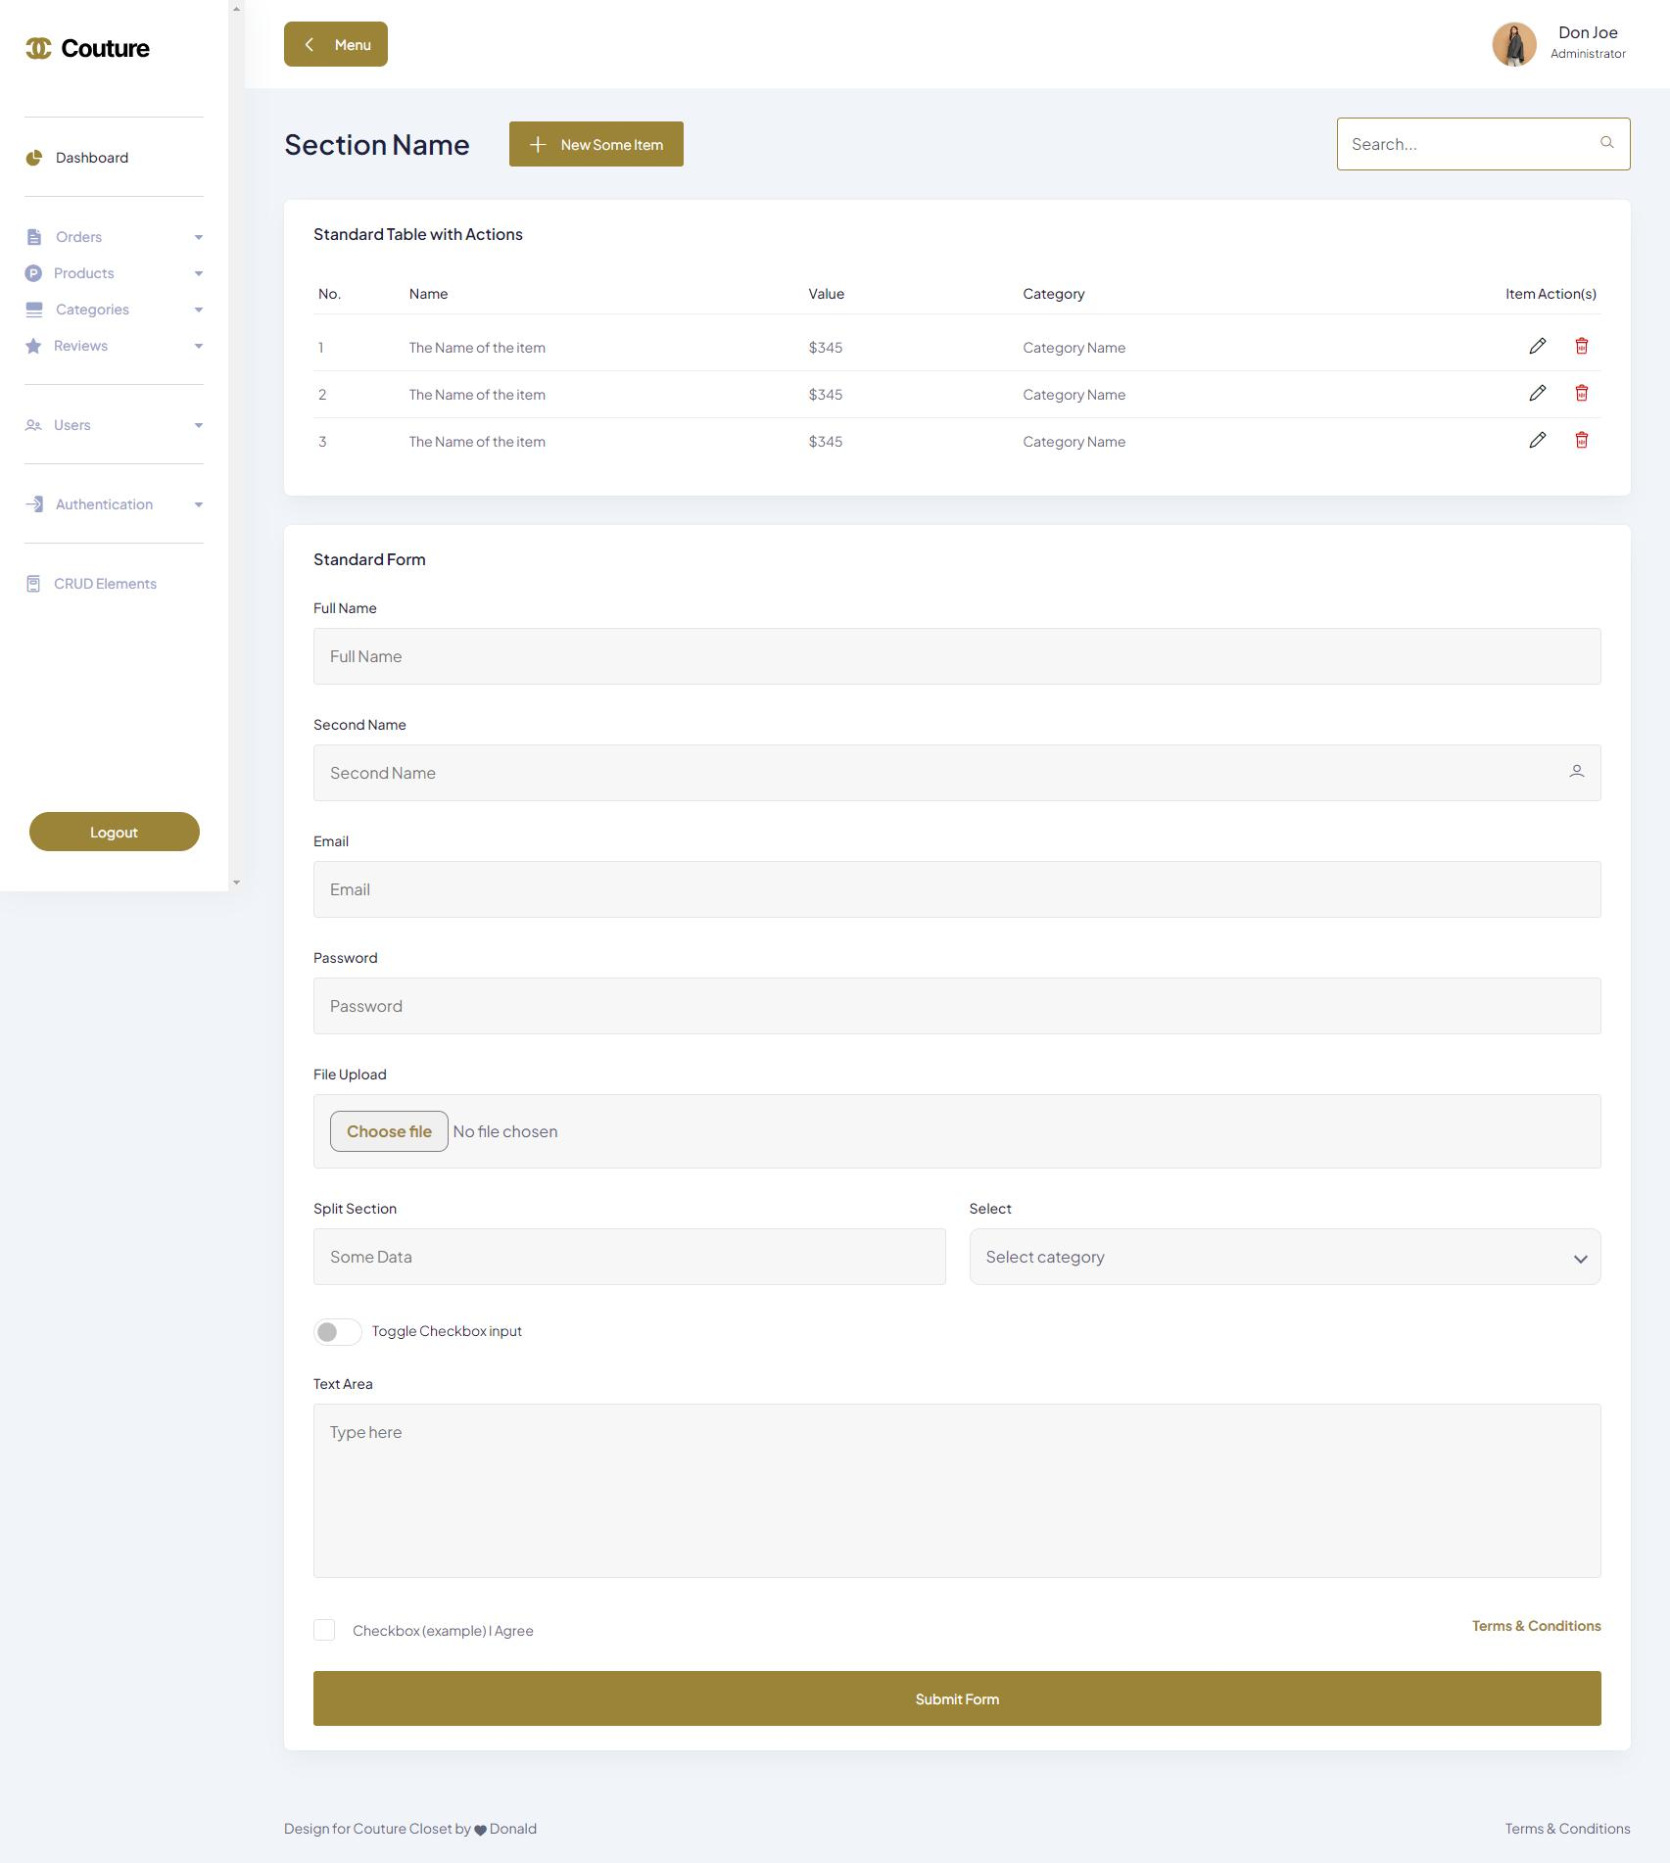
2024-08-08 | Login Blade Redesign | 1 | Redesign of login blade to match the project
2024-08-08 | User Profile design (orders) | 1 | Design orders Tab to match the project
2024-08-08 | User Profile design (reviews) | 1 | Design Reviews Tab on profile
2024-08-08 | User Profile design (Addresses) | 1 | Design User Addresses Tab on profile
2024-08-08 | User Profile design (Account Info) | 0.5 | Design User Account info Tab
2024-08-09 | Order Detail Page Design | 2 | Created Order Details Page
2024-08-09 | Order Details Controller | 1 | Created order details function in orders controller
2024-08-09 | Shop Brand Filter | 0.5 | Updated brand filter to only show those with products and implemented on shop index page
2024-08-09 | Shop Size Filter | 0.5 | Implemented size filter on shop index
2024-08-09 | Landing & Shop index fall-back images | 0.5 | Fixed fall-back image for the landing page & shop items
2024-08-09 | User Profile style updates | 0.5 | Updated styling for the tabs on User profile
2024-08-12 | Footer Updates | 1 | Created Footer About Content, update styling, and added menu Links
2024-08-12 | Registration Page redesign | 1 | Redesigned default auth registration scaffolding/blade to match project
2024-08-12 | Login Blade design update | 0.5 | Updated previous design of login blade in project to match reg.
2024-08-12 | Card Payment Section design | 1 | Created card collection form on checkout blade, and added payment logos
2024-08-12 | Update website marketing copy | 0.5 | Update welcome and shop index page copy
2024-08-13 | Created Admin orders controller | 2 | Created separate Admin orders controller with index, search, show, update, & store
2024-08-13 | Updated Orders Model | 0.5 | Updated Orders Model fillable and assigned status values to attributes
2024-08-13 | Updated Orderitem Model | 0.5 | Disbaled default timestamps in and updated fillable in Orderitem Model
2024-08-13 | Created Admin Order Store & Update Requests | 1 | Created Admin/ StoreOrderRequest and UpdateOrderRequest Requests
2024-08-13 | Created Admin Order routes in web.php | 0.5 | Updated web.php to handle Admin Order management routes
2024-08-13 | Created Orders Index | 1.5 | Created Orders Management Index table with view, delete and edit(status) actions
2024-08-13 | Implemented Orders Delete on Index Blade | 0.2 | Implemented Orders Delete on admin orders Index Blade
2024-08-13 | Implemented Admin Order Search | 0.5 | Implemented Admin Orders Search on index blade
2024-08-13 | Created Order Status Edit Blade | 1.5 | Created blade to manage order statuses
2024-08-13 | Created Custom Order Create blade | 2 | Created a blade to allow placing of Custom orders on the backend for clients
2024-08-14 | Restyled Email Reset Blade | 0.5 | Restyled Email Reset Blade to match rest of website
2024-08-14 | Restyled Reset Blade | 0.5 | Restyled Password update Blade to match rest of website
2024-08-14 | Updated Welcome Page Slides | 0.5 | Fixed Grey transition effect background, and updated style classes
2024-08-14 | Updated Footer Classes | 0.2 | Updated Footer Classes to use light text
2024-08-14 | Updated checkout blade and index.js | 0.3 | Found & Fixed broken styles on chheckout
2024-08-14 | Admin orders show blade | 1 | Created the admin orders show blade
2024-08-14 | Updated order index blade (styled status) | 0.5 | updated order index blade to show styled a different style based on status (processing, cancelled, deilvered etc.)
2024-08-14 | Updated Admin Orders Controller | 0.5 | Updated admin orders controller to query transactions to get auth id
2024-08-14 | Static Pages Design | About | 0.5 | Redesigned/Updated About us page design
2024-08-14 | Static Pages Design | Terms | 0.5 | Redesigned/Updated Terms Page design
2024-08-14 | Static Pages Design | Contact | 0.5 | Redesigned/Updated Contact us page design
2024-08-14 | Static Pages Design | Refunds | 0.5 | Redesigned/Updated refund policy page design
2024-08-14 | Quality Assurance | 1 | Testing & Quality assurance and providing feedback to group
2024-08-15 | Presentation Design | 1 | Created Layout and Styles, and Added Content to the slides
2024-08-15 | Orders Seeding | 2 | Inserted 25 Orders, along with their tax calculations for gst,hst,pst, based on the order items & province
2024-08-15 | Order Items Seeding | 1 | Added products id, sizes, and quantity for the Items bought in the 25 orders above
2024-08-15 | Transactions Seeding | 0.5 | Created a transaction for each of the orders above
2024-08-15 | Style Updates | 0.5 | Updated toggle styles, made minoor updates to the mobile view
2024-08-15 | Fixed Order Deletion | 0.5 | Updated Order Model and Controller to enable deletion of orders by first deleting the transaction with the order id

